Sheet1
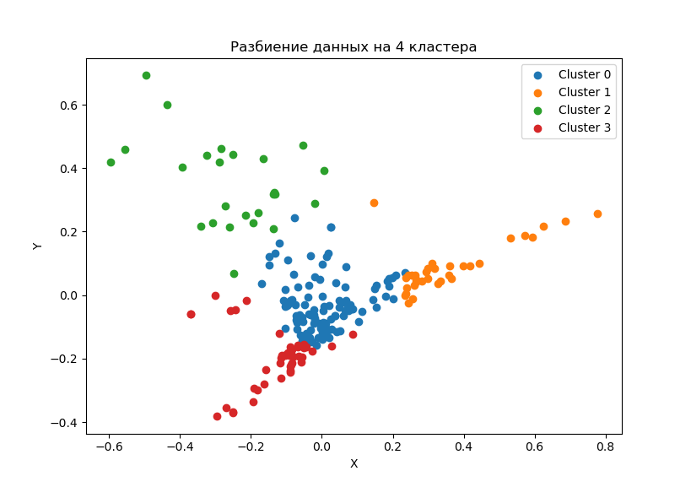
clust | factoriescap_s | RDcosts_s | RDsalary_s | RDequip_s
0 | 620362.6 | 0.39% | 26.07% | 4.54%
0 | 9279902.8 | 0.30% | 25.00% | 3.51%
1 | 906952.6 | 4.20% | 19.47% | 2.28%
1 | 1883239.7 | 2.48% | 19.92% | 1.27%
2 | 103409.0 | 0.77% | 29.37% | 31.20%
2 | 2876654.1 | 0.22% | 26.58% | 24.62%
3 | 243949.5 | 0.30% | 43.99% | 4.44%
3 | 1479153.6 | 0.31% | 43.72% | 1.11%

clust | factoriescap_s | RDcosts_s | RDsalary_s | RDequip_s
0
0 | 14.96 | 0.77 | 0.96 | 0.77
1
1 | 2.08 | 0.59 | 1.02 | 0.56
2
2 | 27.82 | 0.28 | 0.91 | 0.79
3
3 | 6.06 | 1.02 | 0.99 | 0.25

 | Медианы кластеров
clust | factoriescap_s | RDcosts_s | RDsalary_s | RDequip_s
0 | 1540305.19 | 0.1% | 27.0% | 2.2%
1 | 1340207.66 | 2.9% | 18.1% | 1.2%
2 | 258165.05 | 0.1% | 25.7% | 24.7%
3 | 364076.18 | 0.2% | 41.5% | 1.2%

